Peningkatan Siswa
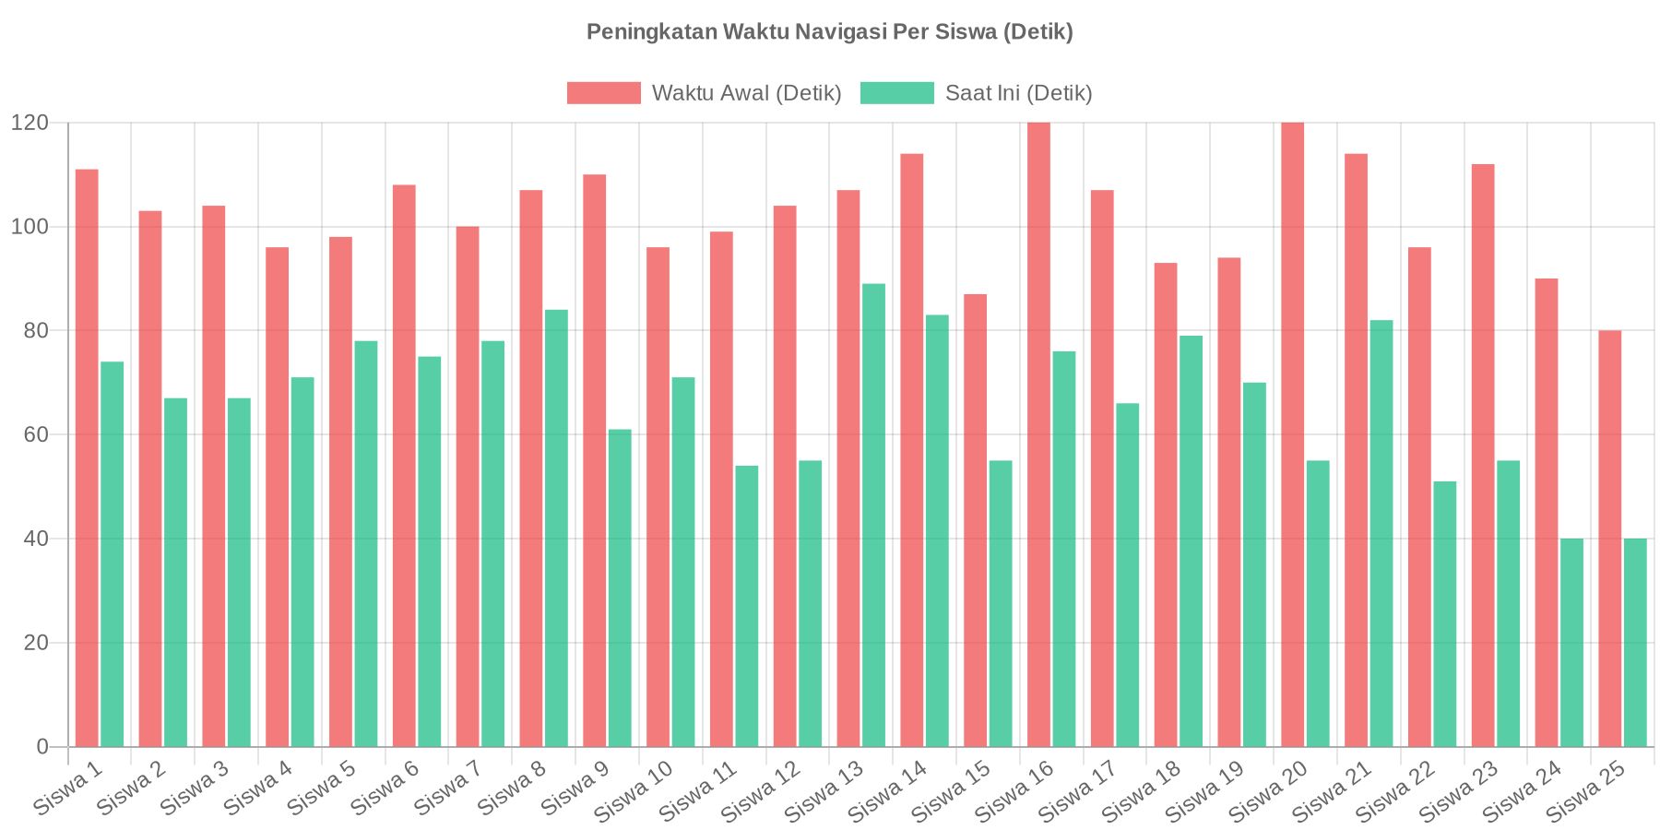
ID Siswa | Nama Siswa | Tipe Visual | Total Trip | Avg Jarak (m) | Waktu Rata-rata Awal (detik) | Waktu Rata-rata Saat Ini (detik) | % Peningkatan (Lebih Cepat)
USR-001 | Siswa 1 | Total | 122 | 58 | 111 | 74 | 33
USR-002 | Siswa 2 | Total | 116 | 52 | 103 | 67 | 35
USR-003 | Siswa 3 | Total | 122 | 53 | 104 | 67 | 35
USR-004 | Siswa 4 | Total | 117 | 53 | 96 | 71 | 26
USR-005 | Siswa 5 | Total | 119 | 53 | 98 | 78 | 20
USR-006 | Siswa 6 | Total | 141 | 53 | 108 | 75 | 31
USR-007 | Siswa 7 | Total | 113 | 54 | 100 | 78 | 22
USR-008 | Siswa 8 | Total | 121 | 55 | 107 | 84 | 21
USR-009 | Siswa 9 | Total | 121 | 57 | 110 | 61 | 45
USR-010 | Siswa 10 | Total | 109 | 52 | 96 | 71 | 26
USR-011 | Siswa 11 | Total | 107 | 53 | 99 | 54 | 45
USR-012 | Siswa 12 | Total | 41 | 54 | 104 | 55 | 47
USR-013 | Siswa 13 | Total | 77 | 58 | 107 | 89 | 17
USR-014 | Siswa 14 | Total | 53 | 56 | 114 | 83 | 27
USR-015 | Siswa 15 | Total | 76 | 50 | 87 | 55 | 37
USR-016 | Siswa 16 | Total | 70 | 51 | 120 | 76 | 37
USR-017 | Siswa 17 | Total | 76 | 55 | 107 | 66 | 38
USR-018 | Siswa 18 | Total | 68 | 50 | 93 | 79 | 16
USR-019 | Siswa 19 | Total | 41 | 50 | 94 | 70 | 26
USR-020 | Siswa 20 | Total | 14 | 53 | 120 | 55 | 54
USR-021 | Siswa 21 | Total | 35 | 56 | 114 | 82 | 28
USR-022 | Siswa 22 | Total | 41 | 56 | 96 | 51 | 47
USR-023 | Siswa 23 | Total | 25 | 59 | 112 | 55 | 51
USR-024 | Siswa 24 | Low Vision | 0 | 0 | 90 | 40 | 56
USR-025 | Siswa 25 | Low Vision | 11 | 49 | 80 | 40 | 50

